Calculation
bonetti rubinetterie valduggia s.r.l.
Loc. Molino Rastelli, 2 l IT-13018 Valduggia (VC) l Tel. +39 0163 48062 l Fax +39 0163 48188
http://www.brv.it l e-mail: info@brv.it l ISO 9001:2008 Cert. No. 0853/5
ModvFresh
Calculation of the performances of the pump units to produce HDW: ModvFresh

Input data (fill the blue spaces)

Maximum temperature of storage tank | 55 | [ °C ]
Maximum water temperature at which the heat source can load the storage tank uniformly.

Inlet cold temperature | 10 | [ °C ]
Cold water temperature from water distribution system.

Requested temperature | 45 | [ °C ]
Hot water temperature to user.

Requested flow | 10 | [ l/min ]
Constant flow to user.

Storage tank capacity | 500 | [ l ]
Volume of water contained into the storage tank (or in a part of it).

Power of heat source | 8 | [ kW ]
Nominal thermic power at working temperature.

Minimum requested temperature of storage tank | 48.7 | [ °C ]
Minimum usable water temperature of storage tank, verified on the performances diagrams of the specific pump unit (*). Please follow the instruction in the sheet "Example of diagram reading".

Data of calculated performances

Supplied power | 24.4 | [ kW ]
Total power supplied by ModvFresh.

Exploitable energy | 13.2 | [ MJ ]
Energy supplied by Δt of storage tank.

Supply time | 13.5 | [ min ]
Supply time at requested flow and temperatures.

Overall flow | 134.8 | [ l ]
Overall volume of supplied hot water.

Re-establishment time | 27 | [ min ]
Requested time to go from minimum to maximum storage tank temperature.

Example of diagram reading
bonetti rubinetterie valduggia s.r.l.
Loc. Molino Rastelli, 2 l IT-13018 Valduggia (VC) l Tel. +39 0163 48062 l Fax +39 0163 48188
http://www.brv.it l e-mail: info@brv.it l ISO 9001:2008 Cert. No. 0853/5
ModvFresh
Minimum requested temperature of storage tank:
how to get the reading from the diagrams
Example diagram, which is valid only for model: ModvFresh 2 - 70 kW with 10°C inlet cold temperature
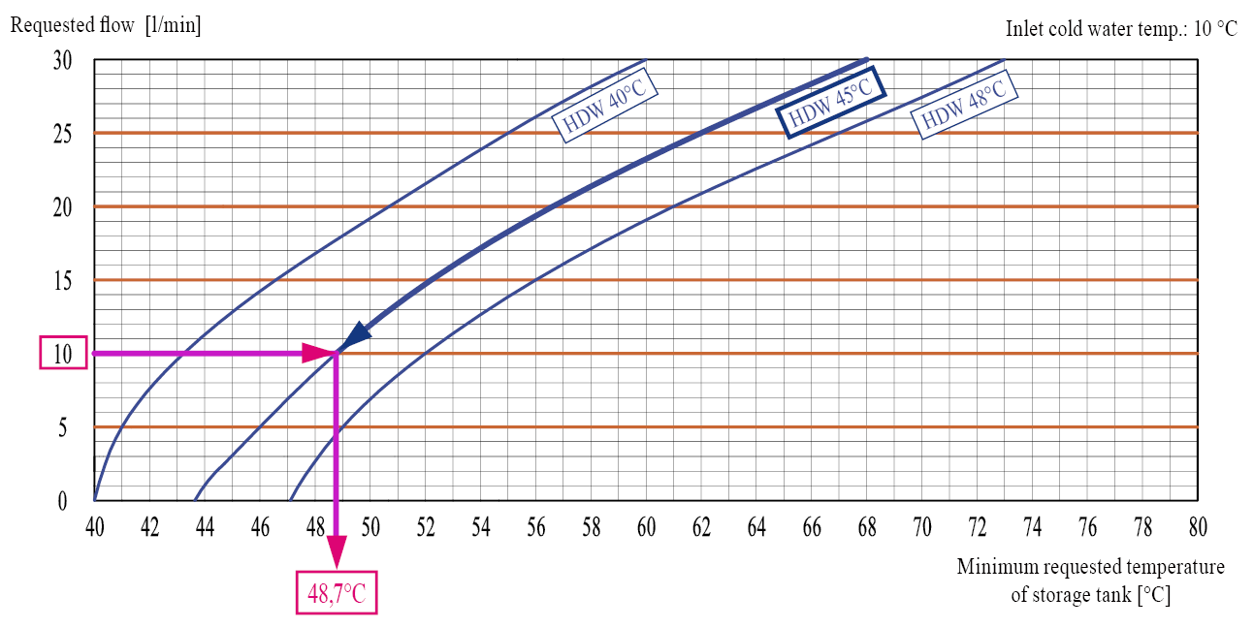
In the example shown in the above diagram, a HDW flow of 10 l/min at a temperature of 45°C is required. Crossing the desired HDW temperature curve, it follows that the supply from the buffer storage tank must be almost 48,7°C. This is the value that must be entered into the "Minimum requested temperature of storage tank" cell of the calculation sheet.
The entire range of performances diagrams, for each specific ModvFresh model, is available on the website www.brv.it at the product technical page. (menù ModvlvS -> Fresh hot domestic water).

